Sheet1
 |  | Document No. | Issue No. |  | Issue Date |  |  | Review and Replace Date |  | Authorised By
 |  | GFF389MC | 2 |  | 13.07.2023 |  |  | 24.02.2026 |  | Magda Shah
 |  | Document Title | 22 Onion Bhaji 660G

Document amendments reason for change |  | Onion bhaji Product code & Tray's Product code updated |  |  | Page 1 of 1 |  | Previous Issue Date |  | 13.07.2023 | Uncontrolled copy unless signed original

COBHC-B22X1T | GAZEBO |  | 22 Onion Bhaji 660G
STEP 1 |  |  |  |  |  | STEP 2
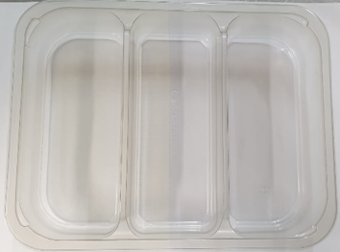 |  |  |  |  |  | 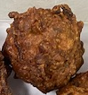 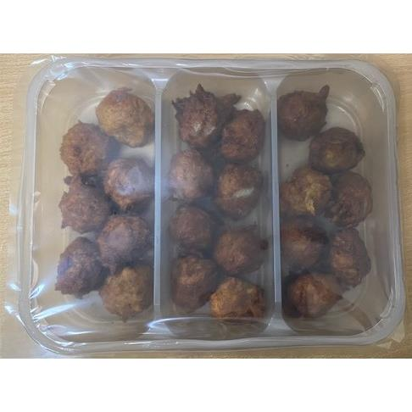

Tray: Tray 3 cavity HW308/60 Transparent (PKESS001-10) |  |  |  |  |  | Onion Bhaji 30g - (RMSRI001-02): 30G (1X22Units) - 660G
Film: K Peel RPSM 25µm (340mmX1000lm) (PKKMP001-05)
STEP 3
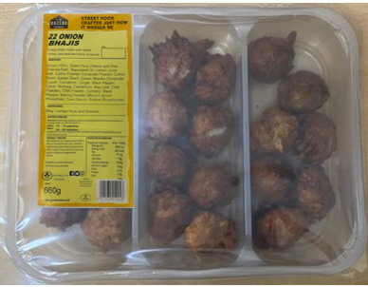 |  |  |  | 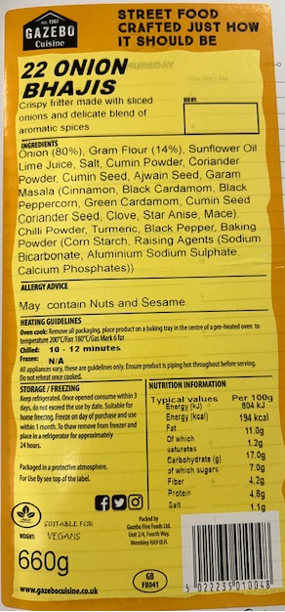 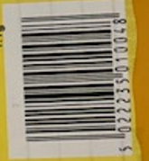

Label: 22 Onion Bhajis-Barcode: 0048
TOTAL WEIGHT: 660G

ALLERGY ALERT: None

